Pivot Table
Creating a basic Pivot Table |  |  | Performing multiple calculations on the same field |  |  |  |  |  | Segmentation to Columns and Rows |  | Segmentation of more than one field
 | L | M | S | XL
Chicken | 53 | 24 | 19
Classic | 37 | 37 | 67 | 11
Supreme | 44 | 38 | 40
Veggie | 68 | 43 | 30

 |  |  | Sum of quantity | Column Labels
Row Labels | Sum of total_price | Sum of quantity | Row Labels | L | M | S | XL | Grand Total
L | 4004.5 | 202 | Chicken | 53 | 24 | 19 |  | 96
M | 2262.25 | 142 | Classic | 37 | 37 | 67 | 11 | 152
S | 1888.8 | 156 | Supreme | 44 | 38 | 40 |  | 122
XL | 280.5 | 11 | Veggie | 68 | 43 | 30 |  | 141
Grand Total | 8436.05 | 511 | Grand Total | 202 | 142 | 156 | 11 | 511

 |  |  | better for data analysts

 |  |  | pizza_category | pizza_size | Sum of quantity
 |  |  | Chicken | L | 53
 |  |  | Chicken | M | 24
 |  |  | Chicken | S | 19
 |  |  | Classic | L | 37
 |  |  | Classic | M | 37
 |  |  | Classic | S | 67
 |  |  | Classic | XL | 11
 |  |  | Supreme | L | 44
 |  |  | Supreme | M | 38
 |  |  | Supreme | S | 40
 |  |  | Veggie | L | 68
 |  |  | Veggie | M | 43
 |  |  | Veggie | S | 30
 |  |  | Grand Total |  | 511

Grouping Data |  |  |  |  |  |  |  |  |  | Pivot Table Calculated Fields
quantity per month
 |  |  |  |  |  |  |  |  |  | Row Labels | Sum of quantity | percentage | Sum of total_price | Sum of 14% tax | Sum of total_price after tax
Row Labels | Sum of quantity |  |  |  |  |  |  |  |  | Chicken | 96 | 19% | 1744 | 244.16 | 1499.84
Jan | 33 |  |  |  |  |  |  |  |  | Classic | 152 | 30% | 2274.75 | 318.465 | 1956.285
Feb | 32 |  |  |  |  |  |  |  |  | Supreme | 122 | 24% | 2052.05 | 287.287 | 1764.763
Mar | 32 |  |  |  |  |  |  |  |  | Veggie | 141 | 28% | 2365.25 | 331.135 | 2034.115
Apr | 35 |  |  |  |  |  |  |  |  | Grand Total | 511 | 100.00% | 8436.05 | 1181.047 | 7255.003
May | 50
Jun | 54
Jul | 48
Aug | 53
Sep | 48
Oct | 45
Nov | 35
Dec | 46
Grand Total | 511
 |  |  |  |  |  |  |  |  |  | Sum of quantity | Column Labels
 |  |  |  |  |  |  |  |  |  |  | Jan | Feb | Mar | Apr | May | Jun | Jul | Aug | Sep | Oct | Nov | Dec | Grand Total
 |  |  |  |  |  |  |  |  |  | Row Labels
 |  |  |  |  |  |  |  |  |  | Chicken | 7 | 4 | 6 | 10 | 11 | 8 | 7 | 9 | 9 | 10 | 9 | 6 | 96
 |  |  |  |  |  |  |  |  |  | Classic | 10 | 5 | 7 | 10 | 18 | 15 | 13 | 17 | 13 | 17 | 11 | 16 | 152
 |  |  |  |  |  |  |  |  |  | Supreme | 8 | 15 | 9 | 7 | 6 | 17 | 15 | 12 | 8 | 9 | 6 | 10 | 122
 |  |  |  |  |  |  |  |  |  | Veggie | 8 | 8 | 10 | 8 | 15 | 14 | 13 | 15 | 18 | 9 | 9 | 14 | 141
 |  |  |  |  |  |  |  |  |  | Grand Total | 33 | 32 | 32 | 35 | 50 | 54 | 48 | 53 | 48 | 45 | 35 | 46 | 511

 |  |  |  |  |  |  |  |  |  | Sum of quantity | Column Labels
 |  |  |  |  |  |  |  |  |  |  | Jan | Feb | Mar | Apr | May | Jun | Jul | Aug | Sep | Oct | Nov | Dec | Grand Total
 |  |  |  |  |  |  |  |  |  | Row Labels
 |  |  |  |  |  |  |  |  |  | Chicken |  | -3 | 2 | 4 | 1 | -3 | -1 | 2 | 0 | 1 | -1 | -3
 |  |  |  |  |  |  |  |  |  | Classic |  | -5 | 2 | 3 | 8 | -3 | -2 | 4 | -4 | 4 | -6 | 5
 |  |  |  |  |  |  |  |  |  | Supreme |  | 7 | -6 | -2 | -1 | 11 | -2 | -3 | -4 | 1 | -3 | 4
 |  |  |  |  |  |  |  |  |  | Veggie |  | 0 | 2 | -2 | 7 | -1 | -1 | 2 | 3 | -9 | 0 | 5
 |  |  |  |  |  |  |  |  |  | Grand Total |  | -1 | 0 | 3 | 15 | 4 | -6 | 5 | -5 | -3 | -10 | 11

Pivot Charts
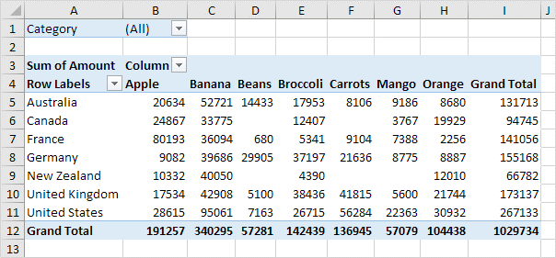

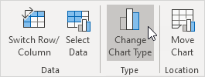

DashBoard
Pizza sales Dashboard 2015

source

customer
Sum of quantities
Total price

499
511
8436

quantity over year
 | Total
Jan | 33
Feb | 32
Mar | 32
Apr | 35
May | 50
Jun | 54
Jul | 48
Aug | 53
Sep | 48
Oct | 45
Nov | 35
Dec | 46
quantity per size
 | L | M | S | XL
Chicken | 53 | 24 | 19
Classic | 37 | 37 | 67 | 11
Supreme | 44 | 38 | 40
Veggie | 68 | 43 | 30
Sum of quantities
 | Sum of quantity | percentage | Sum of total_price | Sum of 14% tax | Sum of total_price after tax
Chicken | 96 | 19% | 1744 | 244.16 | 1499.84
Classic | 152 | 30% | 2274.75 | 318.465 | 1956.285
Supreme | 122 | 24% | 2052.05 | 287.287 | 1764.763
Veggie | 141 | 28% | 2365.25 | 331.135 | 2034.115

Macros
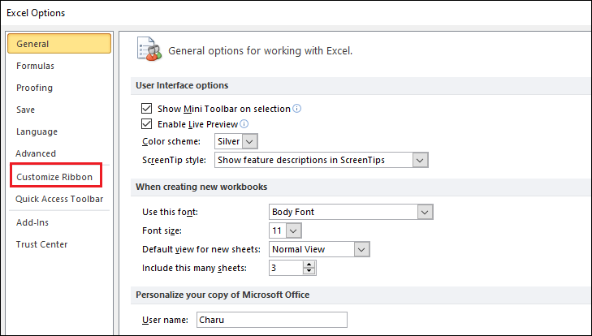
الماكرو في Excel هو أداة بتسمحلك تسجل سلسلة من الأوامر والإجراءات وتنفذها تلقائيًا فيما بعد بنقرة واحدة. الماكرو بيكون مفيد جدًا في حالة تكرار نفس المهام بشكل يومي أو دوري، لأنه بيوفر وقت وجهد كبير.

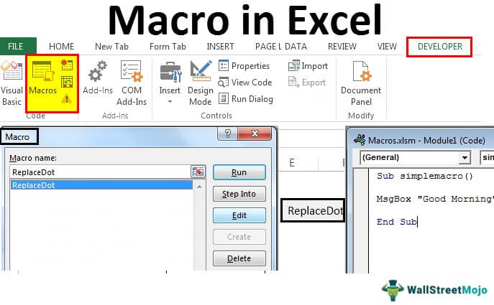
لتفعيل الماكرو في Excel، هتحتاج تتبع بعض الخطوات البسيطة:

1. إظهار التبويب "Developer":

الماكرو في Excel مربوط بالتبويب "Developer"، واللي مش بيكون ظاهر بشكل افتراضي. عشان تفعله:
اضغط على "File" في الشريط العلوي.
اختار "Options".
في نافذة Excel Options، اختار "Customize Ribbon".
هتلاقي في الجهة اليمين خانة اسمها "Main Tabs"، دور فيها على "Developer" وفعّلها بوضع علامة صح جنبها.
اضغط "OK" وهتلاقي التبويب "Developer" ظهر في الشريط العلوي.

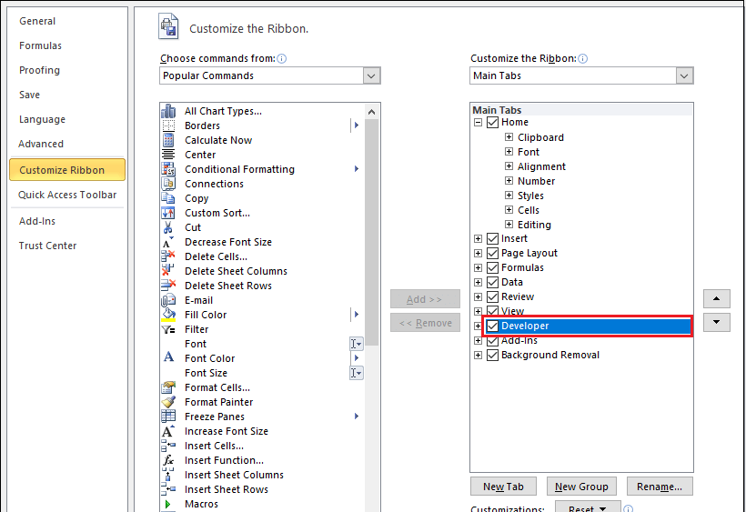
2. تسجيل ماكرو:

من التبويب "Developer"، اضغط على "Record Macro".
هيظهر لك نافذة تطلب منك تسمية الماكرو وتحديد مكان تخزينه، إما في هذا الملف فقط (This Workbook) أو في كل الملفات الجديدة (Personal Macro Workbook).
بعد ما تسميه وتحدد المكان، اضغط "OK".
دلوقتي أي خطوة بتعملها في Excel هتتسجل كجزء من الماكرو.

3. تشغيل الماكرو:

بعد ما تخلص تسجيل الماكرو، تقدر تشغله في أي وقت.
من التبويب "Developer"، اضغط على "Macros".
هتظهر لك نافذة فيها كل الماكروز المسجلة.
اختار الماكرو اللي عايز تشغله واضغط "Run".

4. تمكين إعدادات الماكرو:

لو فتحت ملف Excel يحتوي على ماكروز وكان الماكرو غير مفعل، هتحتاج تمكين الماكرو.
هيظهر لك شريط أصفر تحت الشريط العلوي بيقولك "Macros have been disabled".
اضغط على "Enable Content" لتفعيل الماكرو.

دلوقتي الماكرو مفعل عندك وتقدر تستخدمه لتسجيل وتنفيذ العمليات المتكررة بكل سهولة في Excel.

